Sheet1
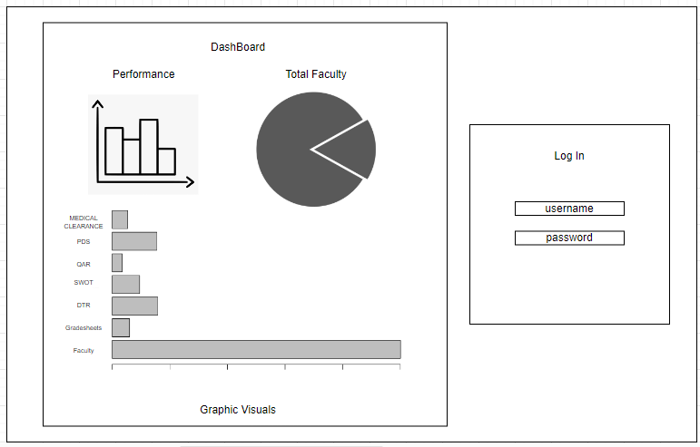
Group (System) Name | Members | State of the Problem | Methodology to address SOP | Modules | Submodules | User Stories(Requirements) | Acceptance Criteria | Wireframes

FAMOS: A Web-Based Faculty | Candelaria, Francis | 1. What challenges do the following respondents encounter when performing administrative tasks?
Monitoring System Using | Reyes, Daniel | 1.1. Faculty members 1.2. Staffs 1.3. Academic Head 1.4. Director | Formula for Frequency | Log-In Screen | *Faculty members login page | *Securely login to the system using my faculty | *Available login page for university personel.
Regression & Clustering | Briñas, Andrew | 2. What is the level of awareness of the respondents regarding the efficacy of the proposed system | Percentage & Weighted Mean |  | *Faculty staffs login page | code as a username and pass to access | *Has Input fields for faculty code. | Login Screen sample:
Algorithm |  | based on the FURPS model in terms of: |  |  | *Academic Head login page | reports, required reqs. and tasks. | *Has Input fields for password.
 |  | 2.1. Functionality 2.2. Usability 2.3. Reliability 2.4. Efficiency |  |  | *Director login page | *Login have 4 levels access from system as:
 |  | 3. What is the respondents' level of agreement on the perceived usability of the web-based faculty |  |  |  | 1. Faculty members
 |  | monitoring system, in terms of? |  |  |  | 2. Faculty Staffs | *Password input is masked containing min of 8
 |  | 3.1 Perceived usefulness 3.2. Perceived ease of use |  |  |  | 3. Academic Head | characters and max length of 20 characters
 |  |  |  |  |  | 4. Director | combination of alphanumeric.

 |  |  |  |  |  |  | *Log in button redirects user to the dashboard
 |  |  |  |  |  |  | but may vary to their authority.
 |  |  |  |  |  |  | *Invalid credentials raise pop up error messages.

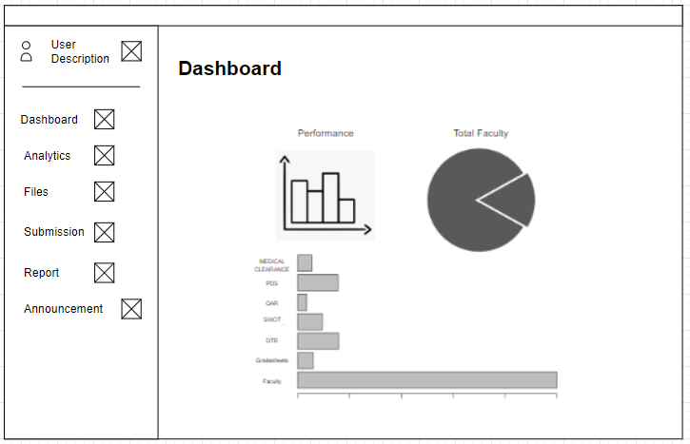
 |  |  |  | Dashboard | *Menu option for faculty names. | *Dashboard are presenced with requirements |  | Dashboard screen sample:
 |  |  |  |  | *Pie graph and summary percentage of | and status of documents and information | *Can clearly see the summary percentage of
 |  |  |  |  | accomplishment reports per quarter. | uploaded by the members of the faculty | the QAR, DTR thru pie and bar graphs.
 |  |  |  |  | *Column containers for Table of Speci- | regardless of their authority. | *Progress bar as same function for summary
 |  |  |  |  | fication from 1st to 2nd sem. |  | reports of needed requirements per faculty.
 |  |  |  |  | *Panel for Human Resource Dev Plan. | *Reports are auto-generated where in data
 |  |  |  |  | *Announcements and Events Panel | will be displayed in a refreshed rate. | *Overall summary % of report & requirements
 |  |  |  |  |  |  | per faculty by: (1). Grade sheet from
 |  |  |  |  |  |  | 1st sem upto 2nd; (2). Class records
 |  |  |  |  |  |  | from 1st sem upto 2nd; and (3). Copy
 |  |  |  |  |  |  | of examination from 1st upto 2nd sem.
 |  |  |  |  |  | *With help of announcement attached within
 |  |  |  |  |  | the system, User can cope up with the | *Announcement panel with pleasant UI design.
 |  |  |  |  |  | events and task within faculty.

 |  |  |  | Analytics | *Pie, Bar graphs, and tables for summary | *Academic Head, faculty members and | *Floating window above the clicked panel to | Analytics screen sample:
 |  |  |  |  | for overall reports. | staff can view detailed reports derived | to extract detailed info and summaries.
 |  |  |  |  | *Detailed information using database | from graphs depending on elements. | *Mouse hover function for information within
 |  |  |  |  | generated tables with uploaded reqs. | * Director can observe the overview summary | graphs to see detailed form of specific
 |  |  |  |  | of faculty members. |  | report.

 |  |  |  | Data Management | Academic head management
 |  |  |  |  |  | *As an academic head, I should be able | * View available schedules, list of classes,
 |  |  |  |  |  | to manage observation. | make observation remarks, and set
 |  |  |  |  |  |  | schedule for faculty visit per program.

 |  |  |  |  |  | *As an academic head, I should be able to | *Create/Remove/Update required event and
 |  |  |  |  |  | manage required documents. | other requirements, view submitted
 |  |  |  |  |  |  | required document and view submitted
 |  |  |  |  |  |  | screenshot of attendance.

 |  |  |  |  |  | *As an academic head, I should be able to | *Upload/Remove/Update memorandums for the
 |  |  |  |  |  | manage faculty activities | required events.

 |  |  |  |  | Faculty members management | *As an academic head, I should be able | *View remarks
 |  |  |  |  |  | to manage observation.

 |  |  |  |  |  | *As an academic head, I should be able | *View list of classes, view list that shows
 |  |  |  |  |  | to manage class attendance. | name of students in class & view
 |  |  |  |  |  |  | records of each student.
 |  |  |  |  |  |  | *View file download statistic of each student.
 |  |  |  |  |  |  | *View reports of attendanceand set status
 |  |  |  |  |  |  | of a class.

 |  |  |  |  | Faculty staff management | *As faculty staff, I should be able to monitor | *Can monitor submitted files and give remarks.
 |  |  |  |  |  | submitted files.

 |  |  |  |  |  | * As faculty staff, I should be able to check | *Check faculty members that have Face to
 |  |  |  |  |  | faculty members. | Face class in the University.
 |  |  |  |  |  |  | *Check faculty members that have online
 |  |  |  |  |  |  | class in the University.

 |  |  |  |  |  | *As faculty staff, I should be able to | *View required events and view memorandums
 |  |  |  |  |  | manage activities
 |  |  |  |  |  |  | *Release announcements provided by the
 |  |  |  |  |  |  | faculty academic head.

 |  |  |  |  | Director management | *As a Director, I have the ability to observe | *View faculty information and on dashboard.
 |  |  |  |  |  | information provided by the FaRMS.

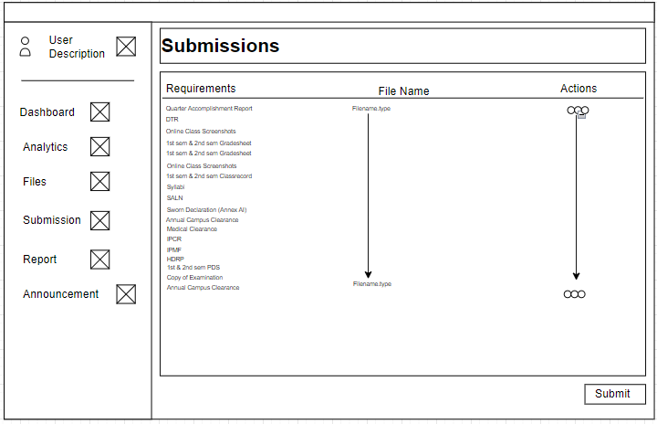
 |  |  |  | Submission | Faculty members Window | *As a faculty member, I should be able to | *Submit/Upload the following required documents:
 |  |  |  |  |  | upload and submit required documents. | 1. Quarter Accomplishment Report
 |  |  |  |  |  |  | 2. DTR
 |  |  |  |  |  |  | 3. Online Class Screenshots
 |  |  |  |  |  |  | 4. 1st sem & 2nd sem Gradesheet
 |  |  |  |  |  |  | 5. 1st sem & 2nd sem Classrecord
 |  |  |  |  |  |  | 6. Syllabi
 |  |  |  |  |  |  | 7. SALN
 |  |  |  |  |  |  | 8. Sworn Declaration (Annex AI)
 |  |  |  |  |  |  | 9. Annual Campus Clearance
 |  |  |  |  |  |  | 10. Medical Clearance
 |  |  |  |  |  |  | 11. IPCR
 |  |  |  |  |  |  | 12. IPMF
 |  |  |  |  |  |  | 13.HDRP
 |  |  |  |  |  |  | 14. 1st & 2nd sem PDS
 |  |  |  |  |  |  | 15. Copy of Examination
 |  |  |  |  |  |  | 16. Annual Campus Clearance
 |  |  |  |  |  |  | *There should be a "Add", "Edit", and "Submit" button on the
 |  |  |  |  |  |  | submission panel
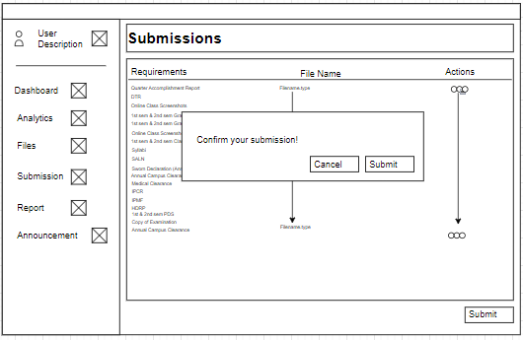
 |  |  |  |  |  |  | *The add function should allow the faculty member to first
 |  |  |  |  |  |  | select the required document in a supported file format
 |  |  |  |  |  |  | (e.g., PDF, Word, Excel, etc.) before submiting it.
 |  |  |  |  |  |  | *There should be a confirmation message before totally uploading
 |  |  |  |  |  |  | to the submission panel e.g. "Do you want to upload the file?"
 |  |  |  |  |  |  | *The system should provide confirmation message before
 |  |  |  |  |  |  | totally submitting the file e.g. "Submit your work?"
 |  |  |  |  |  |  | *The system should provide confirmation that the file has
 |  |  |  |  |  |  | been successfully submitted
 |  |  |  |  |  |  | e.g. "Your work is successfully submitted "
 |  |  |  |  |  |  | *The file should remain in the system and still be displayed in
 |  |  |  |  |  |  | the submission panel if the user cancels the submission
 |  |  |  |  |  |  | *The filename should be not visible if the user cancels the upload

 |  |  |  |  |  | As a faculty member, I should be able to remove my | *There should be a "Remove" button displayed beside the
 |  |  |  |  |  | uploaded file | uploaded file.
 |  |  |  |  |  |  | *Clicking the "Remove" button should prompt a confirmation
 |  |  |  |  |  |  | dialog box (e.g. "Are you sure do you want to remove
 |  |  |  |  |  |  | the file?")
 |  |  |  |  |  |  | *If the user confirms the removal, the file should be deleted
 |  |  |  |  |  |  | from the system and no longer displayed in the submission panel

 |  |  |  |  |  |  | *If the user cancels the removal, the file should remain in
 |  |  |  |  |  |  | the system and still be displayed in the submission
 |  |  |  |  |  |  | panel.

 |  |  |  |  |  | As a faculty member, I should be able to unsubmit my | *There should be an "Unsubmit" button available for each
 |  |  |  |  |  | submitted file to upload my new updated file | submitted file in the submission panel.
 |  |  |  |  |  |  | *Clicking on the "unsubmit" button should open a confirmation
 |  |  |  |  |  |  | dialog box to confirm the action e.g. "Do you want to unsubmit the file?"
 |  |  |  |  |  |  | * A "Remove" button should become visible beside the file in the
 |  |  |  |  |  |  | submission panel after the file is unsubmitted.
 |  |  |  |  |  |  | *If the faculty member clicks "Unsubmit" but does not click
 |  |  |  |  |  |  | "Remove", the file should remain in the system.
 |  |  |  |  |  |  | *The unsubmit buttons should only be available to
 |  |  |  |  |  |  | to the faculty member who already submitted a file.
 |  |  |  |  |  |  | *Clicking the "Remove" button should prompt a confirmation
 |  |  |  |  |  |  | dialog box (e.g. "Are you sure do you want to remove
 |  |  |  |  |  |  | the file?")
 |  |  |  |  |  |  | *If the user confirms the removal, the file should be deleted
 |  |  |  |  |  |  | from the system and no longer displayed in the submission panel
 |  |  |  |  |  |  | *The "add" and "create" button should become visible in the
 |  |  |  |  |  |  | submission panel after removing the submitted file
 |  |  |  |  |  |  | *The add function should allow the faculty member to first
 |  |  |  |  |  |  | select the required document in a supported file format
 |  |  |  |  |  |  | (e.g., PDF, Word, Excel, etc.) before submiting new file.
 |  |  |  |  |  |  | *There should be a confirmation message before totally uploading
 |  |  |  |  |  |  | to the submission panel e.g. "Do you want to upload the file?"
 |  |  |  |  |  |  | *The system should provide confirmation message before
 |  |  |  |  |  |  | totally submitting the file e.g. "Update your work?"
 |  |  |  |  |  |  | *The system should provide confirmation that the file has
 |  |  |  |  |  |  | been successfully submitted
 |  |  |  |  |  |  | e.g. "Your work is successfully submitted "
 |  |  |  |  |  |  | *The filename should be not visible if the user cancels the upload

 |  |  |  |  |  |  | *The file should remain in the system and still be displayed in
 |  |  |  |  |  |  | the submission panel if the user cancels the removal
 |  |  |  |  |  |  | *The file should remain in the system and still be displayed in
 |  |  |  |  |  |  | the submission panel if the user cancels the submission

 |  |  |  | Reports | Super-user reports Tab | *As an Academic head, I should be able to observe and manage
 |  |  |  |  |  | faculty activities, requirements and reports. | *Create report of faculty requirements status.
 |  |  |  |  |  |  | *Create reports of each faculty Syllabi status.
 |  |  |  |  |  |  | *Create reports of each faculty Sworn
 |  |  |  |  |  |  | Declaration status (Annex AI).
 |  |  |  |  |  |  | *Create reports of Annual Campus Clearance.
 |  |  |  |  |  |  | *Statuses of Faculty Indiv. Medical Clearance.
 |  |  |  |  |  |  | *Create reports of IPCR.
 |  |  |  |  |  |  | *Create reports of HRDP.

 |  |  |  | Help |  | *Overall design in dashboard, modifying panels, |  | Notification sample:
 |  |  |  |  |  | uploading of documents, input fields, | *Panels, boxes, input fields, and buttons are
 |  |  |  |  |  | buttons, and elements have in-screen | attached with icons containing simple info
 |  |  |  |  |  | instructions. | for user on how to use a web element.

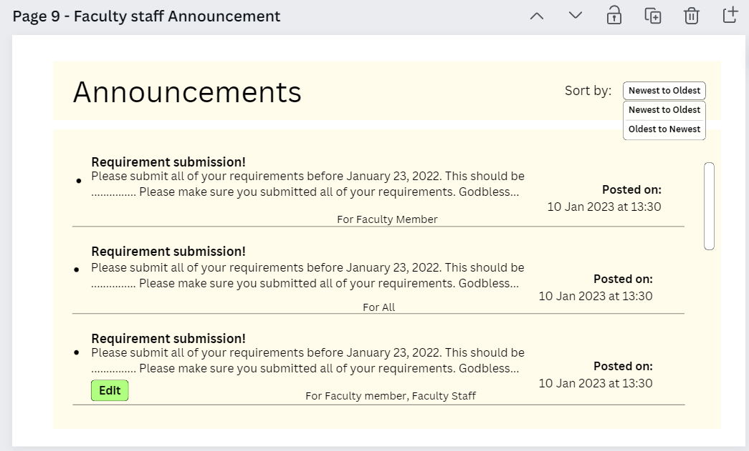
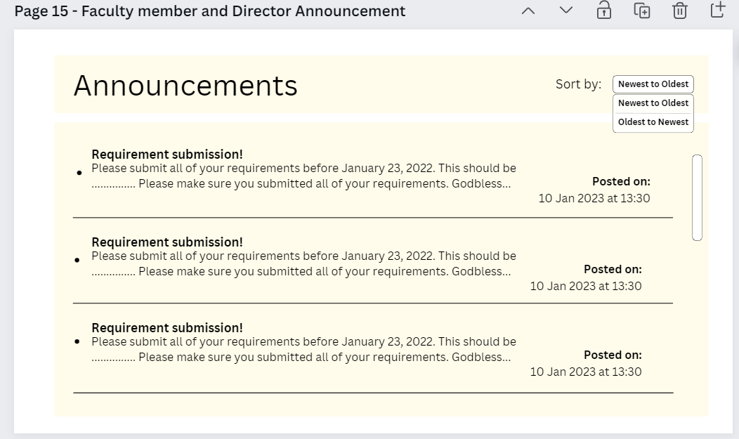
 |  |  |  | Announcements |  | As a faculty staff/academic head/faculty member/director, I | *An "Announcement" button should be visible on the left-side navigation
 |  |  |  |  |  | should be able to view all announcements | menu
 |  |  |  |  |  |  | *Clicking on the "Announcement" button should redirect users to the
 |  |  |  |  |  |  | announcement page.
 |  |  |  |  |  |  | *The announcement page should display a list of all announcements in
 |  |  |  |  |  |  | reverse chronological order, with the most recent announcement appearing at the top.
 |  |  |  |  |  |  | *Each announcement should display the title, date, and content of the
 |  |  |  |  |  |  | announcement.
 |  |  |  |  |  |  | *The announcement page should have a scrollbar if the list of announcement
 |  |  |  |  |  |  | exceeds the height of the page.
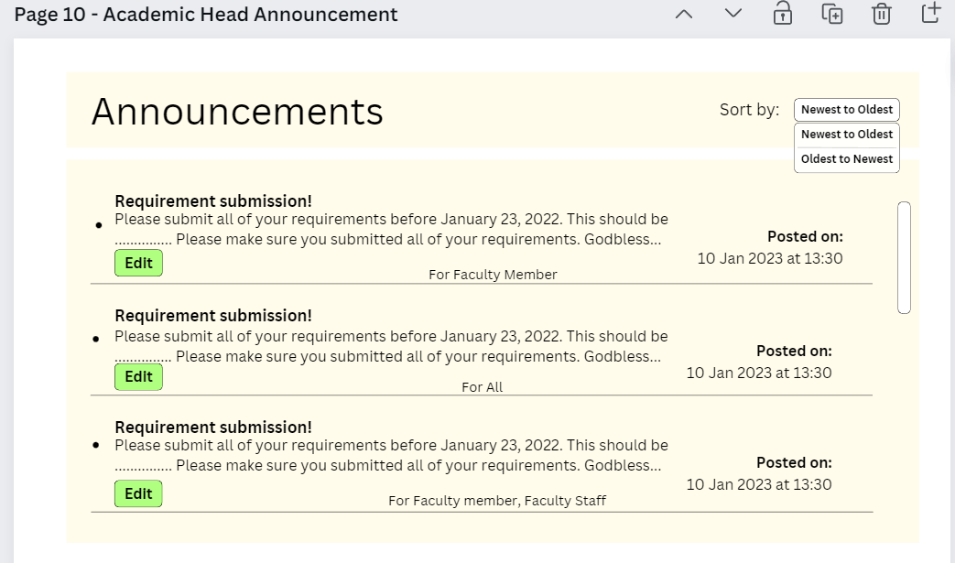
 |  |  |  |  |  |  | *The announcement page should have a "Back" button to return to
 |  |  |  |  |  |  | the dashboard.
 |  |  |  |  |  |  | *If there are no announcements to display, a message stating
 |  |  |  |  |  |  | "No announcements" available should be shown on the
 |  |  |  |  |  |  | announcement page.

 |  |  |  |  |  | As a faculty member/faculty staff/academic head/director I | *The announcement page should display a list of announcements in
 |  |  |  |  |  | should be able to sort the announcements from newest to | chronological order by default.
 |  |  |  |  |  | oldest and oldest to newesr | *The announcement page should have drop down button with two options for sorting:
 |  |  |  |  |  |  | "Sort by Newest to Oldest" and "Sort by Oldest to Newest."
 |  |  |  |  |  |  | *Clicking "Newest to Oldest" should rearrange the list of announcements so that
 |  |  |  |  |  |  | the most recent announcement appears first, followed by the remaining
 |  |  |  |  |  |  | announcements in descending order of their posting date.
 |  |  |  |  |  |  | *Clicking "Oldest to Newest" should rearrange the list of announcements so that
 |  |  |  |  |  |  | the oldest announcement appears first, followed by the remaining
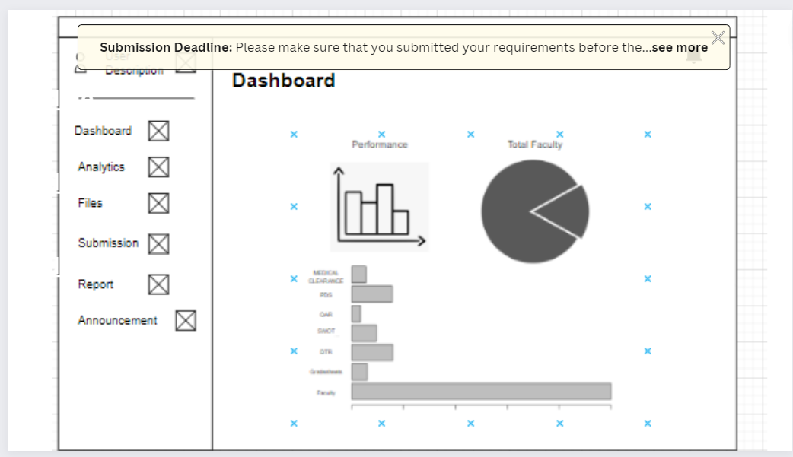
 |  |  |  |  |  |  | announcements in ascending order of their posting date.
 |  |  |  |  |  |  | *The default arrangement of the announcements should be "Newest to Oldest"

 |  |  |  |  |  | As a faculty member/staff/academic head/director, I should be | *An announcement bar should be displayed at the top of the page.
 |  |  |  |  |  | able to receive an announcement bar when there is a new | *The announcement bar should contain the title of the new announcement.
 |  |  |  |  |  | announcement. | *The announcement bar should be visible to all users (faculty member, staff, academic head, director).
 |  |  |  |  |  |  | *The announcement bar should be displayed for a certain period of time (e.g. 1.5 minutes) or until the user
 |  |  |  |  |  |  | clicks the close button.
 |  |  |  |  |  |  | *There should be a "x" button on the upper-right corner of the announcement bar.
 |  |  |  |  |  |  | *Clicking on the announcement bar should redirect the user to the announcement page where they can view the
 |  |  |  |  |  |  | details of the new announcement.

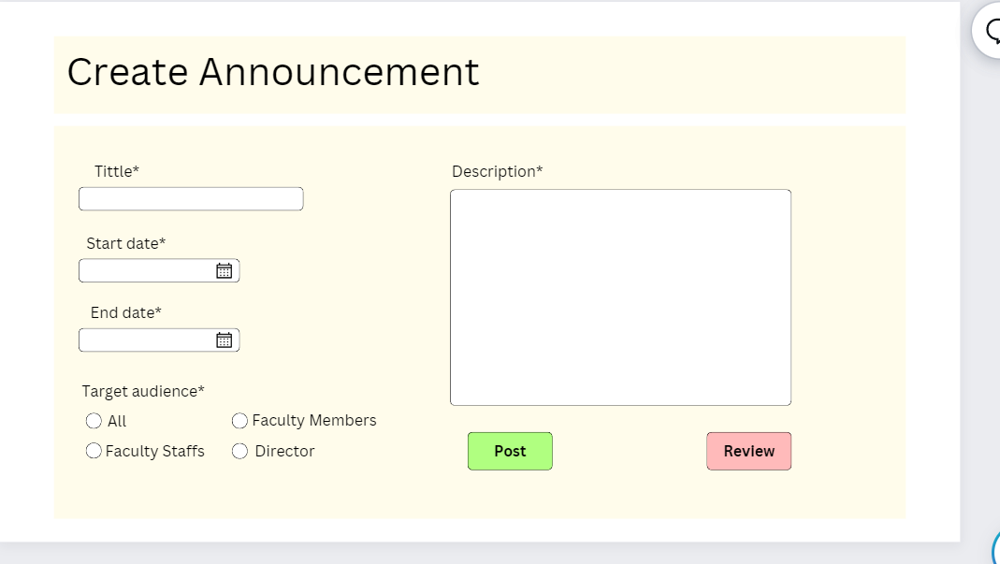
 |  |  |  | Create Announcement |  | As faculty staff/academic head, I should be able create | *A "Create Announcement" button should be visible on the left-side navigation | Create announcement sample:
 |  |  |  |  |  | announcements | menu
 |  |  |  |  |  |  | *Clicking on the "Announcement" button should redirect the user to the
 |  |  |  |  |  |  | create announcement page.
 |  |  |  |  |  |  | *There should be a form to create a new announcement with the following input fields:
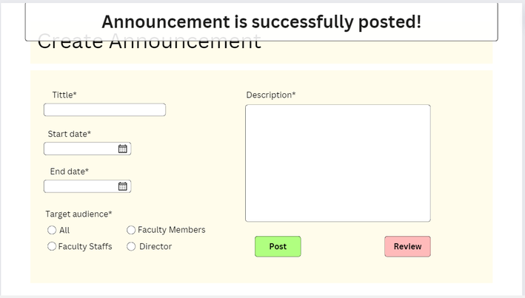
 |  |  |  |  |  |  | title, description, start date, end date, and target audience.
 |  |  |  |  |  |  | *The title input field should be mandatory and accept up to 100 alphanumeric characters.
 |  |  |  |  |  |  | *The description input field should be mandatory and accept up to 1,000 characters.
 |  |  |  |  |  |  | *The start date and end date input fields should be mandatory and follow a date format
 |  |  |  |  |  |  | (e.g. YYYY-MM-DD).
 |  |  |  |  |  |  | *The end date should not be earlier than the start date.
 |  |  |  |  |  |  | *The target audience check boxes should be optional and allow the user to
 |  |  |  |  |  |  | select multiple options from a list of available options such as:
 |  |  |  |  |  |  | All - Overall users can see the announcements including academic head
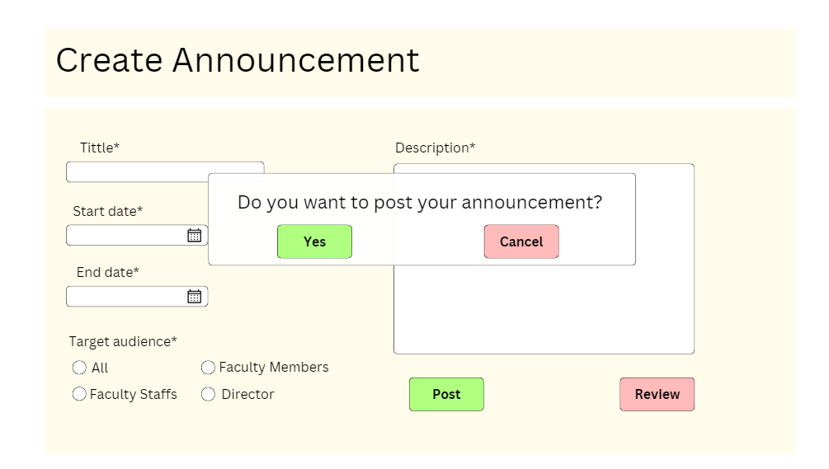
 |  |  |  |  |  |  | Faculty staff - Only the faculty staff can see the announcements
 |  |  |  |  |  |  | Faculty members - Only the faculty member can see the announcements
 |  |  |  |  |  |  | Director - Only the director can see the announcements
 |  |  |  |  |  |  | *The review button should be visible in the form and it will labelled as "Review"
 |  |  |  |  |  |  | *A modal should pop up after clicking the review button.
 |  |  |  |  |  |  | *There should be a "x" button that is visible positioned to the upper-right corner of the
 |  |  |  |  |  |  | modal for the user to close the modal.
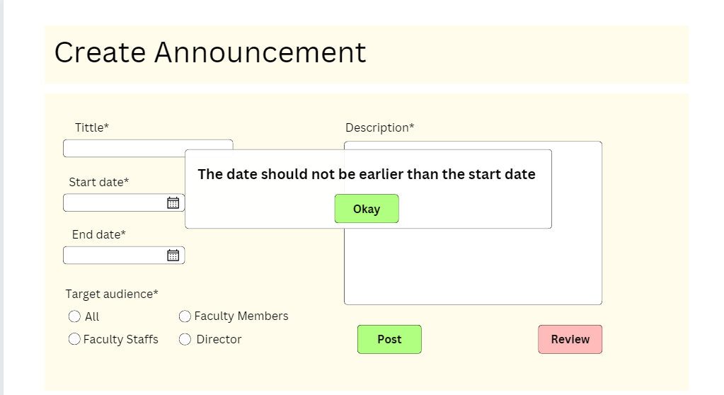
 |  |  |  |  |  |  | *The modal should show the overall look and contents of the announcement.
 |  |  |  |  |  |  | *After creating an announcement, the user should be redirected to the announcements
 |  |  |  |  |  |  | page where the new announcement should be displayed on the top of the list with
 |  |  |  |  |  |  | the correct title, description, start date, end date, and target audience.
 |  |  |  |  |  |  | *The user should be prompted with an error message specifying which fields need to
 |  |  |  |  |  |  | be corrected or completed if any of the input fields are invalid or missing
 |  |  |  |  |  |  | (e.g. "The date should not be earlier than the start date")
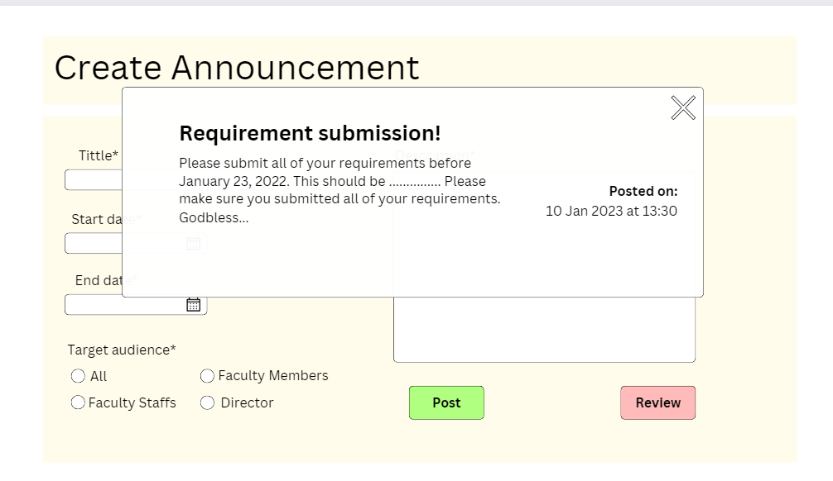
 |  |  |  |  |  |  | *The user should see an "Add Announcement" button that is positioned below the form

 |  |  |  |  |  |  | *The user should be able to submit the announcement by clicking an
 |  |  |  |  |  |  | "Add Announcement" button.
 |  |  |  |  |  |  | *The system should provide confirmation that the announcement has
 |  |  |  |  |  |  | been successfully posted
 |  |  |  |  |  |  | e.g. "Your announcement is successfully posted "

 |  |  |  |  |  | As a faculty staff/Academic head, I should be able to edit | *For academic head, there should be an "Edit" button next to each announcement on the
 |  |  |  |  |  | my posted announcements. | announcement page.
 |  |  |  |  |  |  | *For faculty staff, there should be an "Edit" button next to each announcement that they only created
 |  |  |  |  |  |  | on the announcement page.
 |  |  |  |  |  |  | *The user interface should have an "Edit" button next to each announcement posted
 |  |  |  |  |  |  | by the faculty staff or academic head.
 |  |  |  |  |  |  | *Clicking the "Edit" button should prompt a confirmation
 |  |  |  |  |  |  | dialog box (e.g. "Are you sure do you want to edit the announcement?")
 |  |  |  |  |  |  | *After confirming to the confirmation message, it should open up an editing interface where the
 |  |  |  |  |  |  | user can modify the contents of the announcement.
 |  |  |  |  |  |  | *The editing interface should display the original contents of the announcement so
 |  |  |  |  |  |  | that the user can compare and modify the information easily.
 |  |  |  |  |  |  | *The editing interface should include all the same fields that were included when the
 |  |  |  |  |  |  | announcement was originally created, such as title, content, date, and target audience.
 |  |  |  |  |  |  | *The user should be able to modify any field in the editing interface.
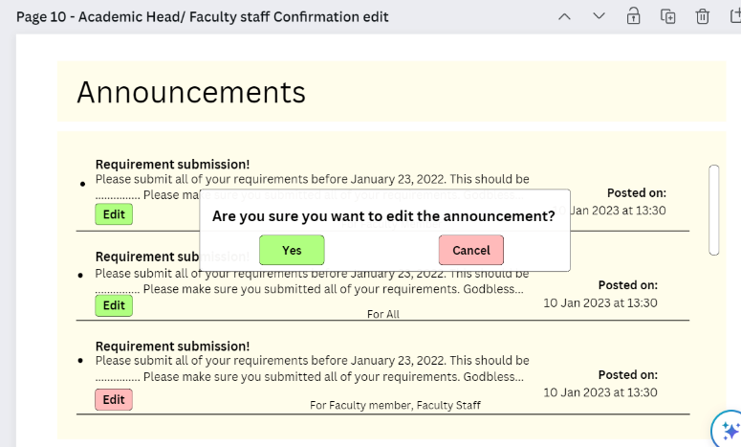
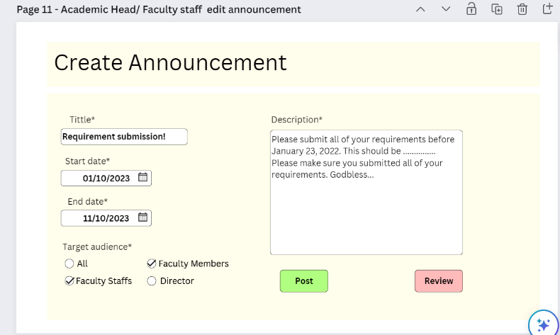
 |  |  |  |  |  |  | *After the user has made changes to the announcement, they should be able to save
 |  |  |  |  |  |  | the changes by clicking on the "Save" button.
 |  |  |  |  |  |  | *Clicking on the "Save" button should update the announcement with the modified
 |  |  |  |  |  |  | information and display it in the appropriate section.
 |  |  |  |  |  |  | *The user should be able to cancel the editing process at any time by clicking on the
 |  |  |  |  |  |  | "Cancel" button.
 |  |  |  |  |  |  | *Clicking on the "Cancel" button should discard any changes made to the
 |  |  |  |  |  |  | announcement and return the user to the announcement list view.
 |  |  |  |  |  |  | *The edited announcement should retain the same ID number as the original
 |  |  |  |  |  |  | announcement to ensure consistency in tracking and referencing.
 |  |  |  |  |  |  | *The user should not be able to edit announcements posted by other faculty staff or
 |  |  |  |  |  |  | academic heads unless they have the appropriate permissions.
 |  |  |  |  |  |  | *The edited announcement should be displayed in the same format as other
 |  |  |  |  |  |  | announcements to ensure consistency in the user interface.

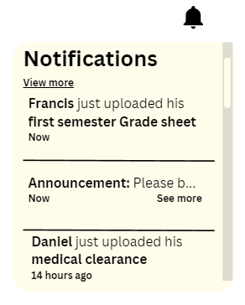

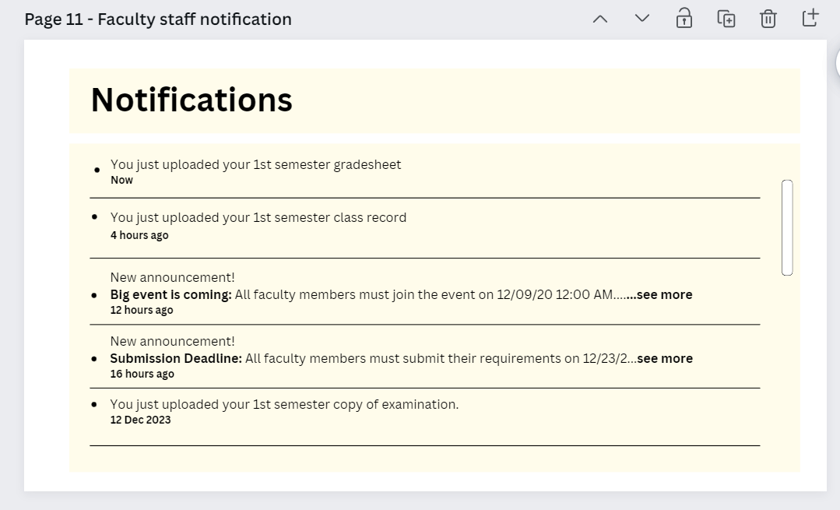
 |  |  |  | Notifications | For faculty staff/academic head | *As faculty staff/academic head, I should be able to get | *Whenever a faculty member submits their requirements, a notification should be triggered to the faculty
 |  |  |  |  |  | notified when a faculty member recently | staff/academic head responsible for reviewing the submissions.
 |  |  |  |  |  | submitted his/her requirements. | *The notification icon should be located in the upper right portion of the user interface, and should be
 |  |  |  |  |  |  | clearly distinguishable from other icons or buttons.
 |  |  |  |  |  |  | *Clicking on the notification icon should display a dropdown or pop-up list of the latest submissions,
 |  |  |  |  |  |  | along with relevant details such as the name of the faculty member, the submitted file, and the
 |  |  |  |  |  |  | date/time of submission.
 |  |  |  |  |  |  | *The notification should be sent in real-time, or at least within a few minutes of the submission.
 |  |  |  |  |  |  | *The notification list should include a "View More" button.
 |  |  |  |  |  |  | *Clicking the "View More" button should redirect the faculty staff/academic head to the notification page,
 |  |  |  |  |  |  | where they can view all notifications in chronological order.
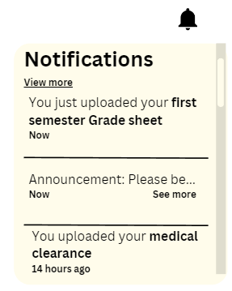

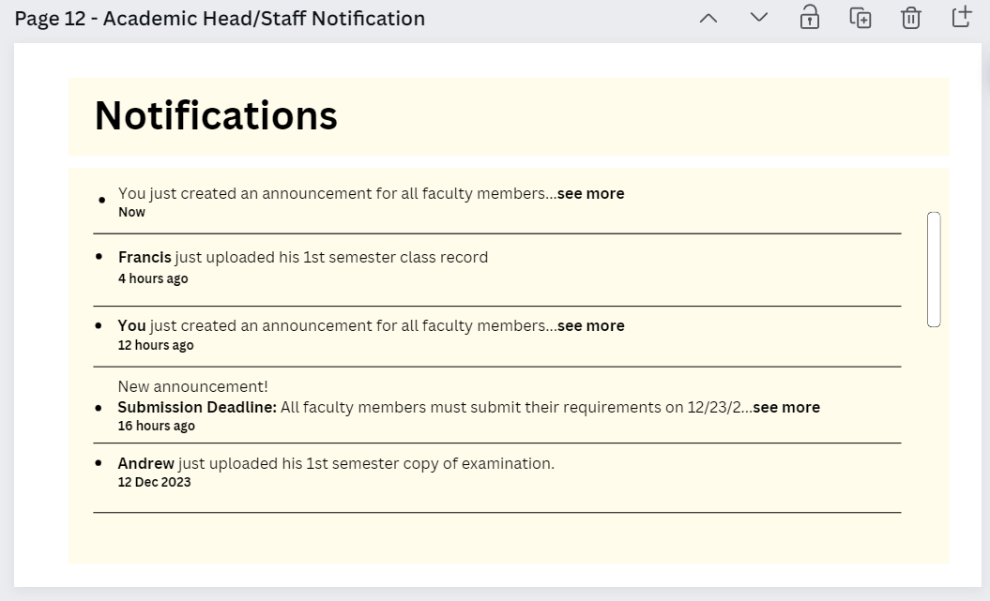
 |  |  |  |  | For faculty member | *As faculty member , I should be able to get | *Whenever a faculty member submits their requirements, a notification should be triggered to the faculty
 |  |  |  |  |  | notified when a faculty member recently | member
 |  |  |  |  |  | submitted his/her requirements. | *The notification icon should be located in the upper right portion of the user interface, and should be
 |  |  |  |  |  |  | clearly distinguishable from other icons or buttons.
 |  |  |  |  |  |  | *Clicking on the notification icon should display a dropdown or pop-up list of the latest submissions,
 |  |  |  |  |  |  | along with relevant details such as the name of the faculty member, the submitted file, and the
 |  |  |  |  |  |  | date/time of submission.
 |  |  |  |  |  |  | *The notification should be sent in real-time, or at least within a few minutes of the submission.
 |  |  |  |  |  |  | *The notification list should include a "View More" button.
 |  |  |  |  |  |  | *Clicking the "View More" button should redirect the faculty member to the notification page, where they
 |  |  |  |  |  |  | can view all notifications in chronological order.

